home page
NOTE: General design colors should follow inventright.com
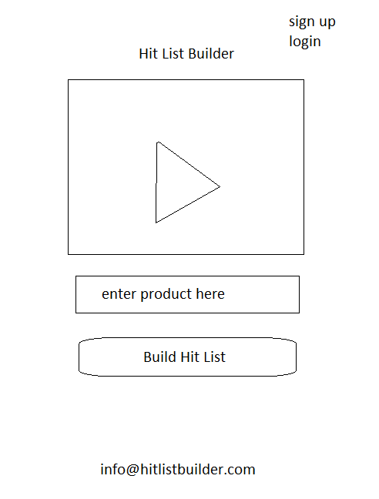
Home page

sign up and login in top right link to sign up/login page

embedded youtube video explaing what Hit List Builder does

Enter Product here field and build hit list button are greyed out, these will be activated once a user has signed up and paid

sign up and login
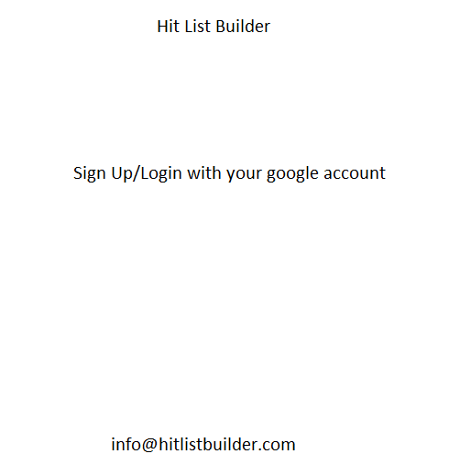

when signing up the user is prompted to pay $199 using paypal or credit card through paypal.

search
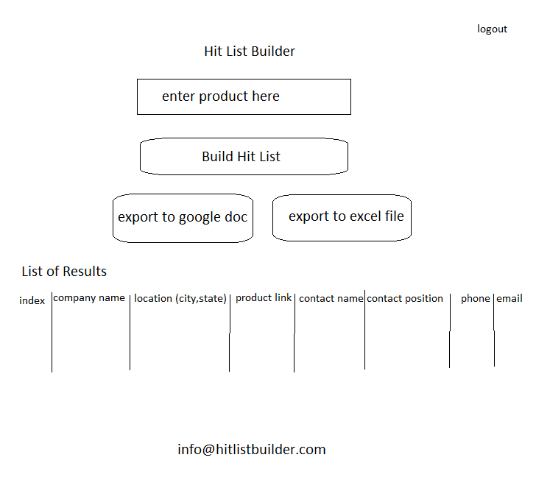

enter the product, example search terms
magnetic stud finder
golf trainer
barbecue spatula
paint brush
board game
antenna
pizza saver

Press the builder hit list button

list of results are shown with 8 columns, can be pulled from SQL, an array, or other methods

Product results are pulled through the Amazon API, which hopefully links to company name, phone number, and email

Contact results are pulled through the LinkedIn API, searching and filtering for product developer first, then marketing then sales

The user can then press the export to google doc or export to excel file buttons

